Level Calibrations
 |  | SP | Lk | Lm
 | Empty (Low) | 8.500 | 1.111 | 8.480 | LSe | LKe | LMe |  | SP | Lk (Raw) | Lm | error | PV | Pve
 | Full (High) | 2.000 | 7.654 | 1.903 | LSf | LKf | LMf | Empty | 8.5 | 1.111 | 8.480 | -0.001 | 8.505 | 8.4805
M = (Lmf -Lme) / (LKf -LKe)
B = Lme - M * LKe
LK = M * LS + B
LS = (LK - B) / LK
m
 |  |  |  |  |  |  |  |  | 7 | 2.619 | 6.966 | 0.002 | 7.014 | 6.9642
 | Scaling | M | -1.0051963931 |  |  |  |  |  | 5 | 4.632 | 4.940 | -0.001 | 5.013 | 4.9407
 |  | B | 9.5967731927 |  |  |  |  |  | 3 | 6.645 | 2.915 | -0.002 | 3.013 | 2.9172
 |  |  |  |  |  |  |  | Full | 2 | 7.652 | 1.903 | -0.002 | 2.013 | 1.9050
 |  | Input | Response
Set the LSe and LKe in C2 & D2
Set the LSf and LKf in C3 & D3
Set the Tank level to LKe then enter LMe into E2
Set the Tank Level to LKf then enter LMf into E3
 | X (Corr to scaled) | 2.5 | 7.08378221
 | Y (scaled to corr) | 8.5 | 1.0911033906
Mc = (LMf -LMe) / (LSf -LSe)
LKc = (LK-LKe) * Mc + LMe
 | Correction | Mc | 1.0118461538
 |  | Lse | 8.5
 |  | LMe | 8.48
 |  | Measured | Corrected | Scaled
 | LK (key raw) | 8.2 | 1.3541627694

 | Key Measure | Corrected | Scaled
Empty | 1 | 8.5727 | 8.5916
 | 1.1196 | 8.4510 | 8.4714
 | 3 | 6.5385 | 6.5812
 | 4 | 5.5213 | 5.5760
 | 5 | 4.5042 | 4.5708
 | 6 | 3.4871 | 3.5656
 | 7.6658 | 1.7928 | 1.8911
Full | 8 | 1.4529 | 1.5552

Cal New 6-18
Lk | Lm
4.7195 | 4.902
5.3541 | 4.269
5.7796 | 3.84
6.4389 | 3.189
7.004 | 2.619
4.0782 | 5.542

PWM
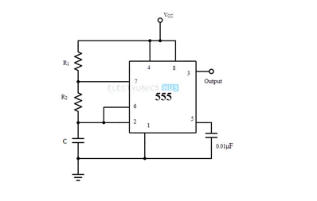
R1 | R2 | C | Ton | Toff | Period | Frequency | Duty Cycle
1.00E+03 | 1.00E+04 | 1.00E-09 | 7.62E-06 | 6.93E-06 | 1.46E-05 | 68,714 | 52.4
1.00E+04 | 1.00E+05 |  | 7.62E-05 | 6.93E-05 | 1.46E-04 | 6,871 | 52.4
2.88E+04 | 2.88E+04 |  | 3.99E-05 | 2.00E-05 | 5.99E-05 | 16,701 | 66.7

2 |  |  | Rsub | 1.00E+09
2.88E+04 | 2.88E+04 |  | 57,600.00 |  | 4.00E-05 | 25,000

0 | 100 |  | 50%
10 | 100 |  | 52%
50 | 100 |  | 60%
90 | 100 |  | 66%
130 | 100 |  | 70%
170 | 100 |  | 73%
210 | 100 |  | 76%
250 | 100 |  | 78%
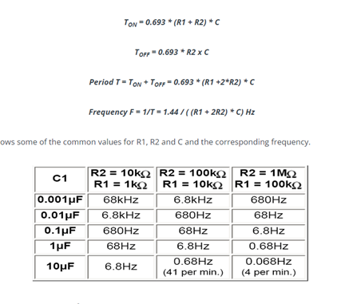
290 | 100 |  | 80%
330 | 100 |  | 81%
370 | 100 |  | 82%
100000000 | 100 |  | 100%

 |  | R1 | R2 | Ton = R1 + R2 | T = R1 +2R2 | DC
 | Creep | 10,000 | 2200 | 12,200 | 14400 | 0.84722222222
 | Slow | 750 | 10000 | 10,750 | 20750 | 0.51807228916
 | Fast | 0 | 4777 | 4,777 | 9554 | 0.5
 | Stop | 4700 |  | 4,700 | 4700 | 1

